Quality Management Plan - Activ
Quality Management Plan - Activities & Metrics

Activities & Quality Management in an IT Product based organization following a 1 month Sprint cycle

Assumptions | 1. Product backlog (Regularly) is continuously enhanced by Product team to include new features, customer bugs, enahancements (collectively called as stories) 2. a new sprint starts on Sprint planning day (denoted by N) 3. A typical sprint lasts for 1 month
Note | Following plan contains the blended version of SDLC implemented in hybrid (agile + waterfall) methodology

WBS | Activity | start date (N) | end date (N+30) | Comments
Sprint 1 Initiation
Requirement analysis
 | collect & update Requirements in stories | N-7 | N | Starts before start of sprint
 | Priortizing the stories for sprint | N-2 | N
 | Sprint Planning | N | N
 | Backlog grooming | N | N+2
 | Defining the sprint goals | N | N+2
 | Identifying the Developer and QA | N | N
 | Requirement phase completed |  |  | Milestone
Development
 | Development | N | N+7
 | Unit Testing | N | N+7
 | code Reviews | N+7 | N+10
 | Development Phase completed |  |  | Milestone
Quality Assurance | Test Planning | N | N+7 | Testing begins in parallel with Development
 | Test Plan Reviews | N+7 | N+10
 | System Testing | N+10 | N+17
 | Manual Regression Testing | N+17 | N+19
 | Automation Regression Testing | N+19 | N+21
 | Non Functional Testing - Accessibility and UI | N+17 | N+18
 | Bug Fixes & Re-testing | N+10 | N+21 | QC Ongoing activity during testing
 | Running the checklists | N+19 | N+21
 | QA Sign-off | N+18 | N+21
 | Testing Phase completed |  |  | Milestone
Product Demo
 | sprint Demo | N+22 | N+22
 | Product Owner Sign Off | N+22 | N+23
 | Executing the Definiation of Done (DoD) checklist | N+22 | N+23
 | Ready for RC Phase |  |  | Milestone
Release Candidate Build Verification
 | Creating a RC build | N+22 | N+23
 | system Integration Testing | N+23 | N+25
 | Automation Testing | N+23 | N+25
 | Security Testing | N+23 | N+25
 | Performance Testing | N+23 | N+25
 | Cross Platform Testing | N+23 | N+25
 | SIT checklist execution | N+25 | N+25
 | System Integration Testing completion | N+25
 | Deployment into Staging Environment | N+25 | N+25
 | UAT Testing | N+25 | N+27
 | RC completed, Ready for Go-Live |  |  | Milestone
Go-Live
 | Deployment into Production Environment | N+28 | N+28
 | Post Production Testing | N+28 | N+28
 | Production Deployment completed |  |  | Milestone
Closure
 | sprint Closure activities | N+29 | N+29
 | Sprint Retrospective and Documenting lessons learned | N+30 | N+30
 | Sprint 1 completed |  |  | Milestone
Sprint 2 Initiation |  | N+30

Testing Metrics
 |  |  |  |  | Burn down data for test Execution
1. Burn Down Chart (Testing) | Burn down Chart identifies the number of Test cases Planned vs completed over time plotted against the time remaining |  |  |  |  | Burned Down |  | Balance
 |  |  |  |  | Day | Planned | Actual | Planned | Actual | Daily completed
 | Total Requirements (A) | 3 |  |  | 0 |  |  | 800 | 800
 | Approx. Scenarios drafted per requirement (B) | 5 |  |  | 1 | 90 | 61 | 710 | 739 | 61
 | Approx Test cases scripted per requirement (C) | 20 |  |  | 2 | 90 | 37 | 620 | 702 | 37
 | Total test cases scripted (D = A xB X C ) | 300 |  |  | 3 | 90 | 99 | 530 | 603 | 99
 | Manual Regression Testing cases (E) | 500 |  |  | 4 | 90 | 104 | 440 | 499 | 104
 | Total Test cases for Manual Execution (F = D +E) | 800 |  |  | 5 | 88 | 124 | 352 | 375 | 124
 |  |  |  |  | 6 | 88 | 61 | 264 | 314 | 61
 | Total number of System Testing days (7) including Manual Regression (2) | 9 |  |  | 7 | 88 | 51 | 176 | 263 | 51
 | Total number of QA engineers in Scrum Team | 4 |  |  | 8 | 88 |  | 88 | 263
 | Avg. number of execution per engineer/ per day (= (F/G)/H) | 22.222222222 |  |  | 9 | 88 |  | 0 | 263

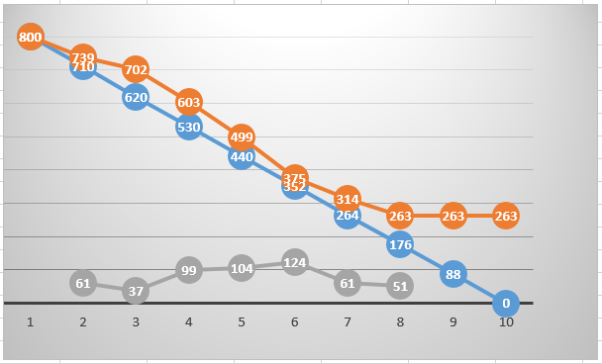

2. Testing Velocity | Velocity takes a mathematical approach to measure how much work a team completes on average during each sprint, comparing the actual completed tasks with the team’s estimated efforts.

 | Observation |  | Testing Velocity
 | As per the table on Right, A testing team of 4 members can |  | Sprint | Total number of Stories delivered | Story Size | Cumulative Story Points
 | 1. Deliver ~ 5.4 stories per sprint |  |  |  | (S,M,L, XL) | S- 20 M-30 L-50 XL - 70
 | 2. with cumulative Story points ~ 180 |  | 1 | 5 | 3- S 1-M 1-L | 140
 |  |  | 2 | 4 | 2- S 2-M | 100
 |  |  | 3 | 8 | 6- S 1- M 1- XL | 220
 |  |  | 4 | 3 | 1-L 2- XL | 190
 |  |  | 5 | 7 | 2- S 3-M 1-L 1- XL | 250
 |  |  | Velocity | 5.4 |  | 180

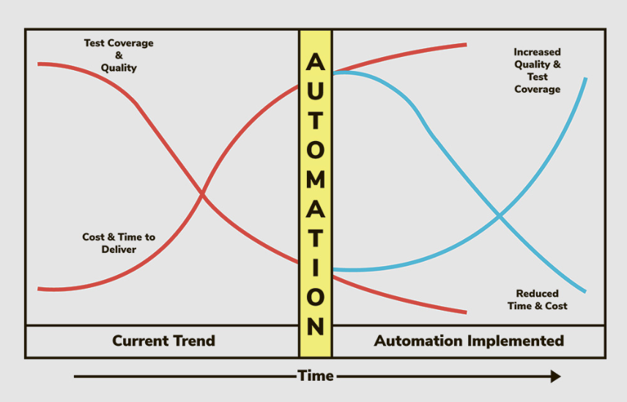
3. Percentage of Automated Test Coverage | measures the percentage of test coverage achieved by automated testing
 | as time progresses and more tests get automated, you should expect higher test coverage and, as a result, increased software quality.

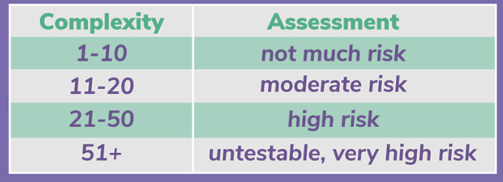
4. Code Complexity / cyclomatic complexity | It counts a number of linearly independent paths through a program’s source code.
 | Through this QA can determine determine the risk of unstable or error-prone code. Determining complexity lets QA evaluate how likely something is to go wrong with the feature or release

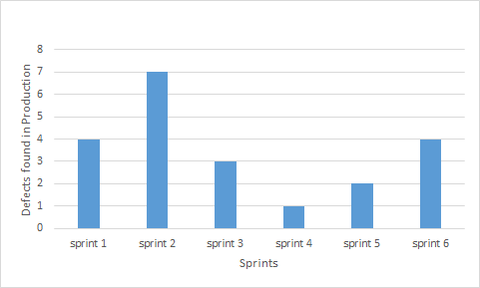
5. Escaped Defects Velocity | this counts the defects for a given release that were found after the release date by the customer in Production

 | Escaped Defects
 | Sprint | Defects found in Production #
 | sprint 1 | 4
 | sprint 2 | 7
 | sprint 3 | 3
 | sprint 4 | 1
 | sprint 5 | 2
 | sprint 6 | 4

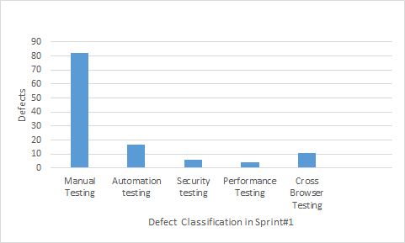
6. Defects Categorisation | This metric is used to categorise the defects found in different phase such as -
 | Manual testing automation Regresion Security testing Performance Testing Cross browser Testing
 | this can be displayed using Pareto charts

 | Defects Classification
 | Sprint | Defects found in Production #
 | Manual Testing | 82
 | Automation testing | 17
 | Security testing | 6
 | Performance Testing | 4
 | Cross Browser Testing | 11

7. Defect turnaround time | This metric is used to calculate the turnaround time taken for a defect to be closed.
 | this can be used to improvised the SLA of Defect fixing and retesting

Balance Scorecard - Jal Mahal
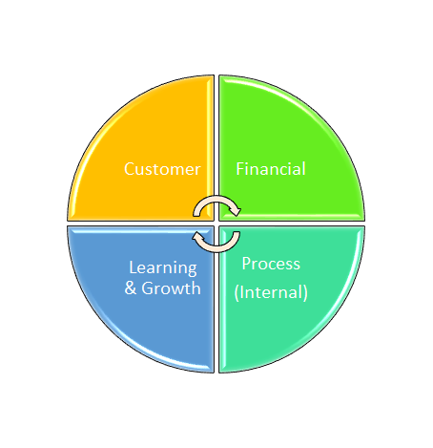
Balance Scorecard - JalMahal Project
Objective | Customer Satisfaction | Objective | Cost Optimization and contribution to profit
Measure | Fulfill all customer acceptance criteria. | Measure | Success - Schedule Performance Index >1 Cost Performance Index > 1 Failure - Schedule Performance Index <1 Cost Performance Index < 1
Target | Project acceptance with zero punch points | Target | Increase profit by 5%
Initiative | `- Hire expert consultants - Regular meeting with customer on project progress and update | Initiative | `- Use of latest technology - Hire cheap labour - Optimize supply chain

Objective | Lake cleaning with Biological Oxygen Demand (BOD) of lake as per standards. | Objective | Deliver project before schedule
Measure | BOD < 15 | Measure | Success - SPI>1 Failure - SPI<1
Target | Develop/Import new technology to maintain BOD at desired levels for a sustainable period. | Target | Delivery of project ahead of schedule.
Initiative | `- Capital investment for R&D -Incentive for developing/importing such technology at reasonable cost. | Initiative | Planning and Engineering during the monsoon period for complete readiness to start project immediately after monsoon

